Dewax_Rehydrate H&E Layout
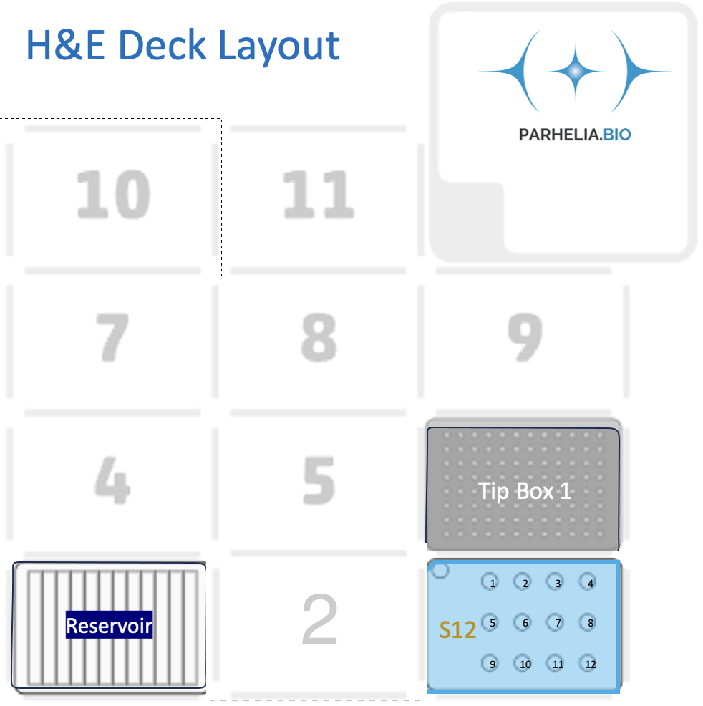
Omni-Stainer module type |  |  | S12
Num samples: |  |  | 5
Dewax |  |  | Yes
Rehydration |  |  | No
Clarifying |  |  | 150
wash_volume [μL] |  |  | 150

[Labware Type] | [Deck Position]

Omni-Stainer S12 Staining Module | 2 | Assemble Flow Cells in 100% EtOH
 | 1 | 2 | 3 | 4
A | Sample 1 | Sample 2 | Sample 3 | Sample 4
B | Sample 5
C

Tiprack | 6 | 300/200 μL Tip rack #1

Buffer plate | 3 | 12-trough, sealed with a pierceable sealing sheet
 | 1 | 2 | 3 | 4 | 5 | 6 | 7 | 8 | 9 | 10 | 11 | 12
A | Dewax | 100% EtOH | 95% EtOH | 70% EtOH | Water | Hematoxylin | Blueing reagent |  |  |  | Eosin
Volume / well (ml) | 3.5 | 7.25 | 4.25 | 3.5 | 8 | 3.5 | 2.75 |  |  |  | 3.5
Volume/Sample | 300 | 1050 | 450 | 300 | 1200 | 300 | 150 | 150 | 0 | 0 | 300 | 0

